Sheet1
 | 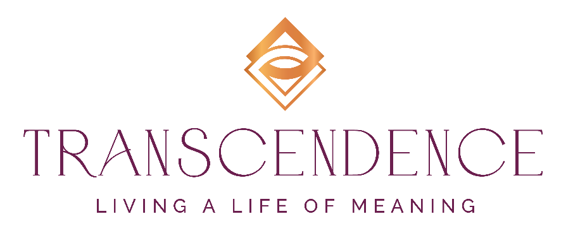

Transcendent Leadership Assessment

This assessment is designed to help you learn about being a Transcendent Leader as well as assess where you are on your Transcendent Leadership Journey. There are no right or wrong answers, simply rate the statements on how you feel about each statement at this point in your life. Your final score will automatically generate. Compare it to the scale and explanations of the scores below. If you'd like help interpreting your results or have questions about the statements, please email at me at Karen@livingalifeofmeaning.com. If you'd like to explore Transcendent Leadership further and how I could support you, please book an appointment!

Book a Free One-Hour Consultation

Instructions: Rate each of the Statement below from 1 to 5 using this scale:
5 = Always, 4 = Mostly, 3 = Sometimes, 2 = Rarely, 1 = Never
Rating | Statements
 | I believe that spirituality and connection to universal energy (Source, God, the Universe or however you relate to it) is essential to my wellbeing
 | I believe that spirituality is not something to be left at home. It plays an important role in my leadership.
 | I am filled with a profound love for all of humanity, including myself.
 | I have articulated my legacy and own my gifts, talents and skills and what I have to offer the world.
 | I am using my gifts, talents, and skills to their full potential in my work and my life.
 | I approach each day with a sense of awe and wonder, regardless of the circumstances.
 | I believe that growth and innovation can come from the most challenging situations.
 | I view my work and my leadership as an act of service to others.
 | I operate at a high level of integrity and keep my word, especially to myself.
 | I believe that my life and my work are meaningful and important, that I am making the impact I want to make in the world.
 | I am committed to create and meet objectives that are important to my company and my team.
 | I am aware of the limiting beliefs that I learned as a child and how they impact my life.
 | I have reprogrammed my limiting beliefs so that they no longer hold me back.
 | I am fully satisfied with every aspect of my life: my work, my relationships, and my play.
 | I know how to return quickly to a calm and measured state when I am triggered or upset by a person or situation.
 | I honor my own needs and set clear boundaries with others.
 | I trust my intuition and use it regularly in my work and personal life.
 | I have reached the level of success that I wish to achieve at work and I am on the path to achieve more.
 | I trust that whatever is unfolding in my life and my work is exactly what I need for my growth or advancement.
 | I am fully present when I am interacting with others; I don't allow myself to get distracted.
 | I invoke my higher self and the higher self of others before and during meetings.
 | I am comfortable with confrontation because I know that it is the key access point to true transformation and transcendence.
0 | TOTAL

Results:
Score 100-110 | CONGRATULATIONS! You ARE truly a Transcendent Leader. You have the Faith, Clarity, and Awareness to live in alignment with your purpose, have a strong sense of wellbeing, and live a life of deep meaning. Keep up the great work. I'd love to connect with you and learn more about your path and your success. Feel free to book and call to explore how we can collaborate.
Score: 95-109 | FANTASTIC: You are well on your way to a life of Transcendence. There might be one or two places where you need to strengthen your connection, awareness, or clarity, but you are definitely headed in the right direction. Be sure to maintain your strong connection with your Faith through daily spiritual practices. These help set the tone and intention for the day, but you probably already know that! If you'd like to talk about the areas where you need support to achieve even stronger results, I'd love to have a conversation with you. Book a free, no-obligation call to review your results and see what opportunities there are to elevate your success and your life.
Score: 80-95 | WELL DONE! You've made good progress in incorporating Transcendence in your leadership and your life. There are places where you are really connected and strong, and other areas where you might be wavering a little. Take a look at your Connection to your faith, and see where you might strengthen it. It might also help to take a deep dive into your Awareness. What untruths are you telling yourself that might be holding you back? What have your learned about yourself from others that might not be serving you? You are well on your way, but a little support might go along way in accelerating your progress. I'd love to chat with you about how I might be able to assist you in getting the breakthrough results you deserve. I invite you to schedule a free, no-obligation one-hour conversation with me to review your results and talk about how to get you on the fast track to the life you want to live.
Score: 79 & below | YOU'VE MADE A GREAT START! Let's face it, even doing this assessment takes courage and curiosity, which are essential traits of a Transcendent Leader. Here are some questions to ask yourself to help you proceed to the next steps of the journey: 1) Do I believe in a higher level of consciousness? 2) What does that consciousness look like to me? How do I relate to it? 3) Does my childhood conditioning help or hinder my connection and relationship to higher levels of consciousness? 4) Do I feel that I have a purpose for my life right now? Am I confident that I can fulfill it? 5) Do I live in a constant state of overwhelm and anxiety? How can I improve my State of Being? I hope these questions open up some new avenues of inquiry that will support your journey toward Transcendent Leadership. If you'd like to explore opportunities to accelerate your progress and growth toward living the life of meaning that you truly deserve, I'd love to talk with you. Book a free, no obligation call to review your results and see what opportunities you have to take a big step forward.

Thank you for your time and for taking this assessment, I hope you learned something about Transcendent Leadership AND yourself. I'm happy to discuss the assessment and/or your results with you, so that we can explore how I could support you. Just click below and set up an appointment. I'm wishing for you a life of deep and rich meaning! And ... I can't wait to hear from you!
Book a Free One-Hour Consultation

Questions? | karen@livingalifeofmeaning.com

 | © Higher Self Solutions, LLC, All rights reserved.

